Res_Iteracion1
Número de request | 1000
Concurrencia | 10

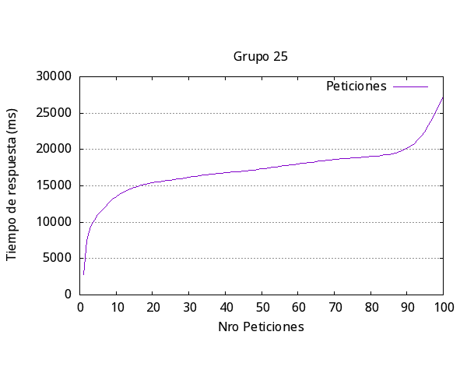
 |  | Media por solicitud | 18022ms
 |  | Solicitud mas rápida | 923ms
 |  | Solicitud mas lenta | 8834ms
 |  | Request fallidas | 5
 |  | Request por segundo | 0.55

Res_iteracion2
Número de request | 200
Concurrencia | 20

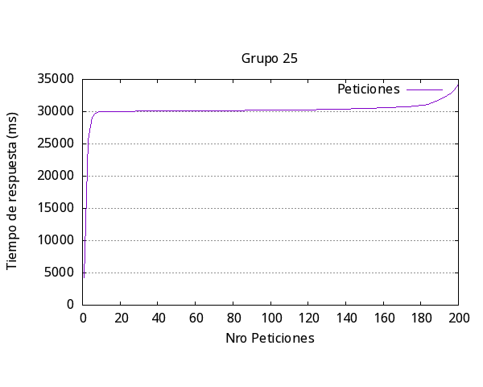
 |  | Media por solicitud | 31168ms
 |  | Solicitud mas rápida | 0
 |  | Solicitud mas lenta | 4402ms
 |  | Request fallidas | 23
 |  | Request por segundo | 0.64

Res_iteracion3
Número de request | 300
Concurrencia | 15

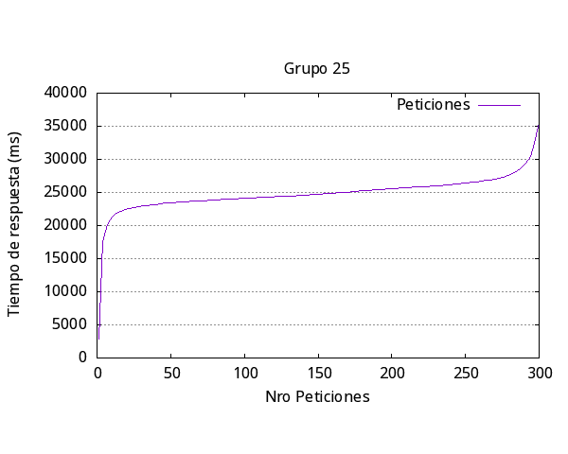
 |  | Media por solicitud | 25546ms
 |  | Solicitud mas rápida | 938ms
 |  | Solicitud mas lenta | 9801ms
 |  | Request fallidas | 10
 |  | Request por segundo | 0.59

Res_iteracion4
Número de request | 400
Concurrencia | 20

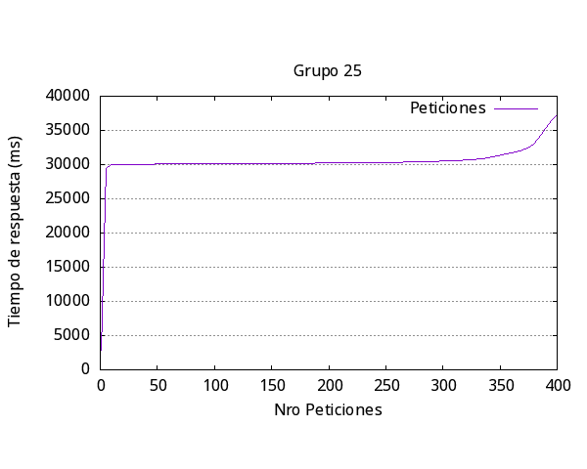
 |  | Media por solicitud | 31887ms
 |  | Solicitud mas rápida | 0ms
 |  | Solicitud mas lenta | 8776ms
 |  | Request fallidas | 61
 |  | Request por segundo | 0.63

Res_iteracion5
Número de request | 200
Concurrencia | 25


 |  | Media por solicitud | 31175ms
 |  | Solicitud mas rápida | 0
 |  | Solicitud mas lenta | 1157ms
 |  | Request fallidas | 0
 |  | Request por segundo | 0.8

general
Iteración | Media respuesta (ms) | Más Rápida (ms) | Más Lenta (ms) | Request Fallidas | Request por segundo | Número request | Concurrencia
1 | 18022 | 923 | 8834 | 5 | 0.55 | 100 | 10
2 | 31168 | 0 | 4402 | 23 | 0.64 | 200 | 20
3 | 25546 | 938 | 9801 | 10 | 0.59 | 300 | 15
4 | 31887 | 0 | 8776 | 61 | 0.63 | 400 | 29
5 | 31175 | 0 | 1157 | 0 | 0.8 | 200 | 25
Promedio | 27559.6 | 372.2 | 6594 | 19.8 | 0.642

Respuesta más lenta por Iteración Experimento #1

